Nguyễn Công Trí
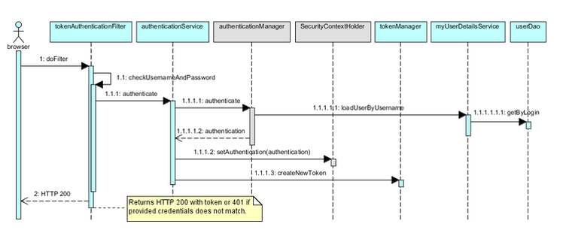
Sequence Diagram - Create course category

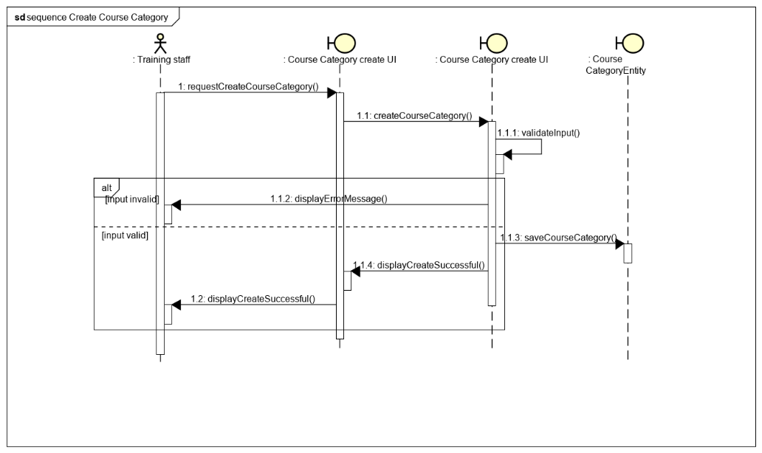

Delete course category

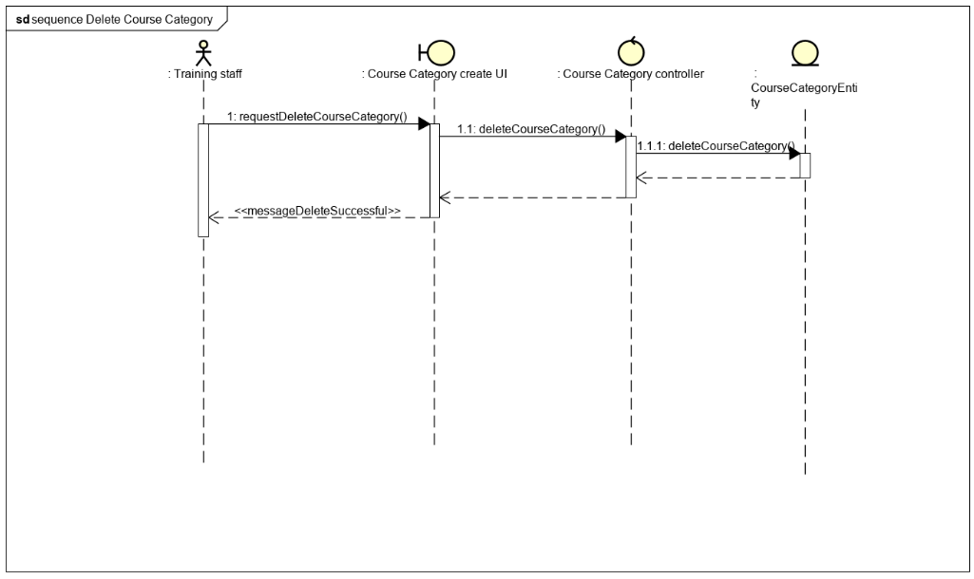

Sequence Diagram - List Course Category

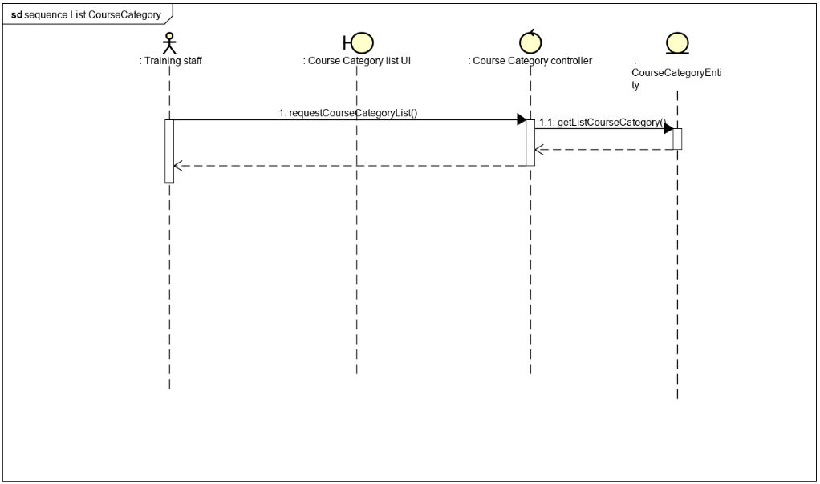

Sequence Diagram - Search course category

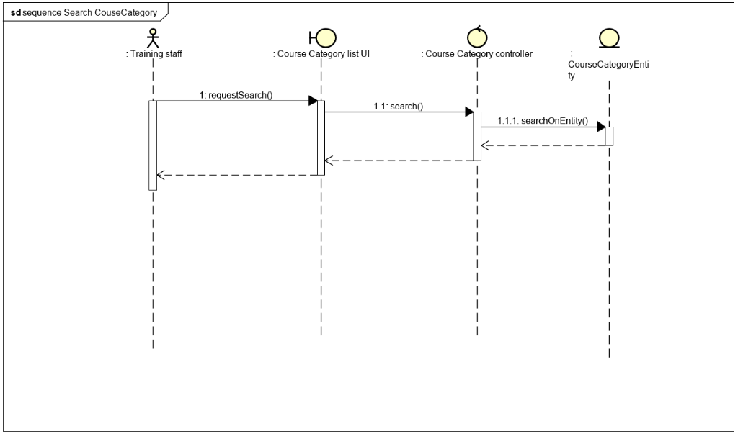

Sequence Diagram - Update course category

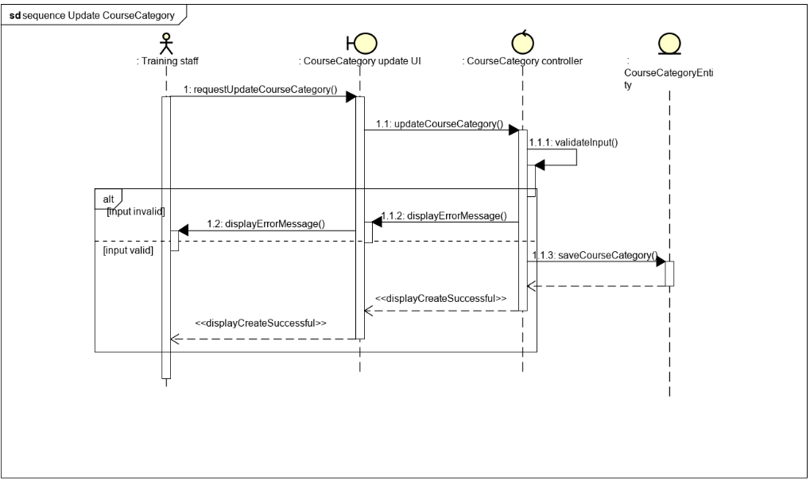

Sequence Diagram - View CourseCategory



Sequence Diagram - Create trainer

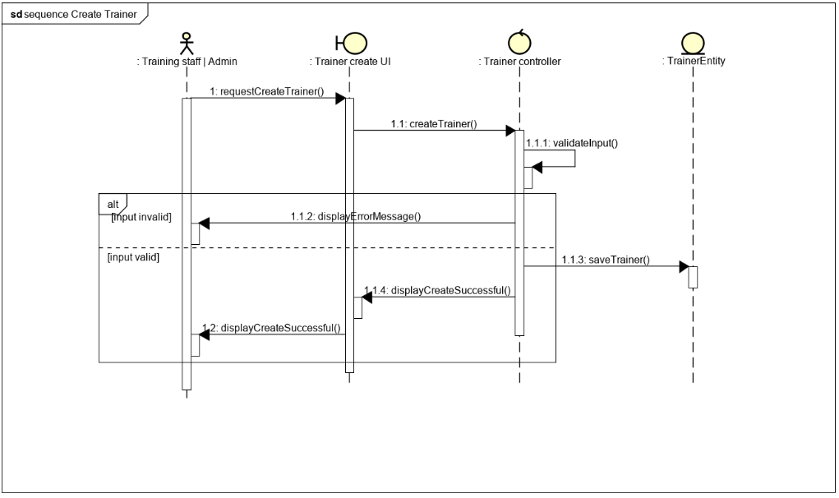

Sequence Diagram - Delete trainer

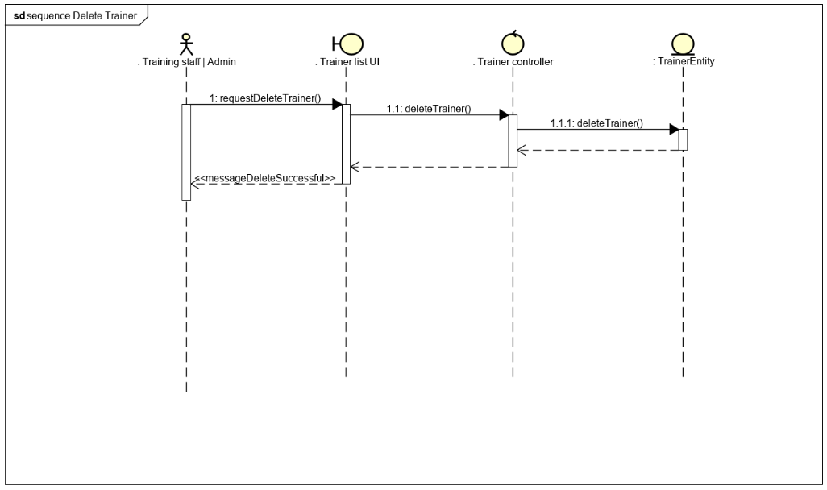

Sequence Diagram - List trainer

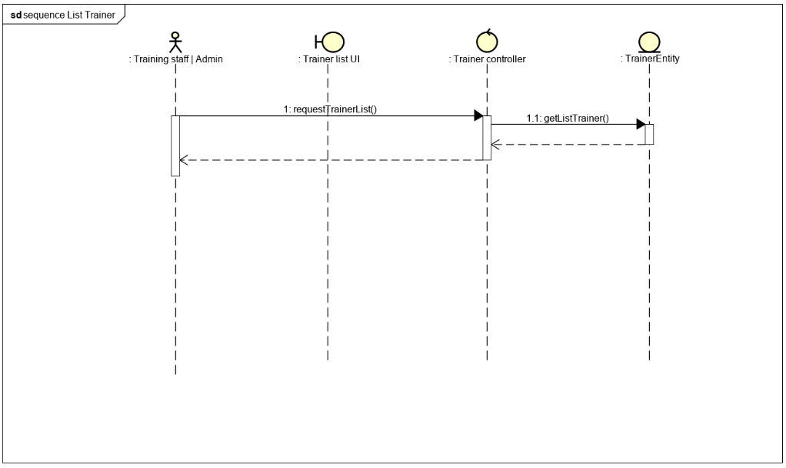

Sequence Diagram - Search trainer

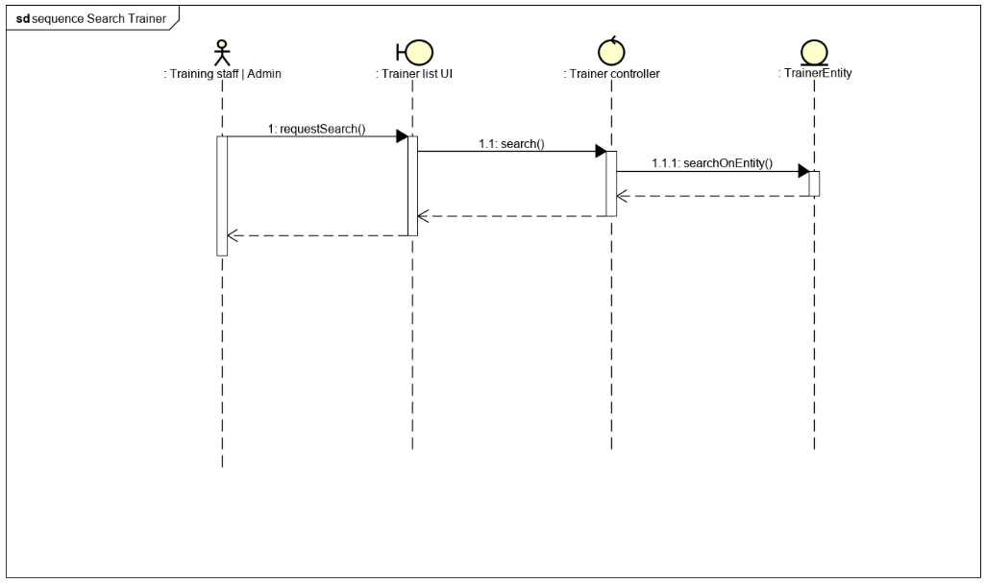

Sequence Diagram - Update trainer

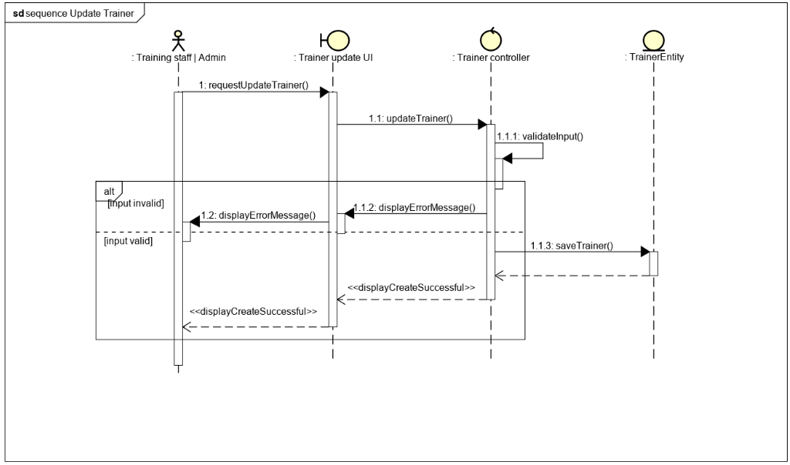

Sequence Diagram - View trainer

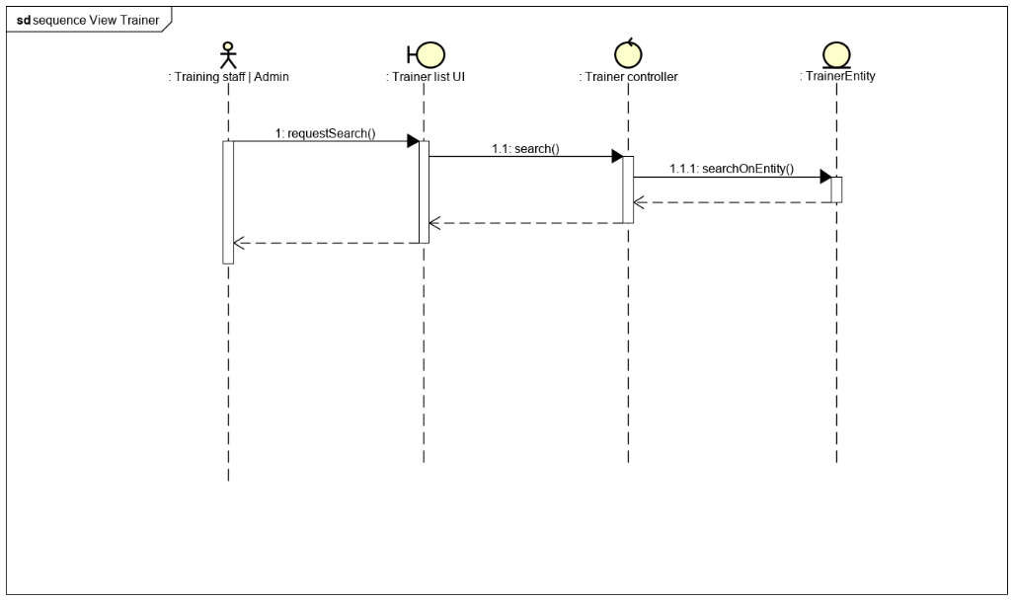

Sequence Diagram - Login

Lưu Quốc Thắng
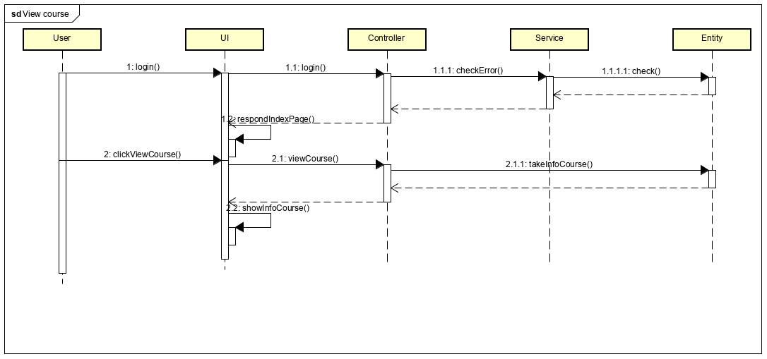
Sequence Diagram - Add course into category

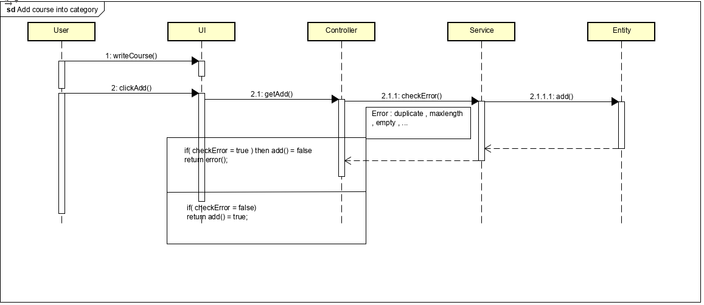

Sequence Diagram - View course

Nguyễn Thanh Trí
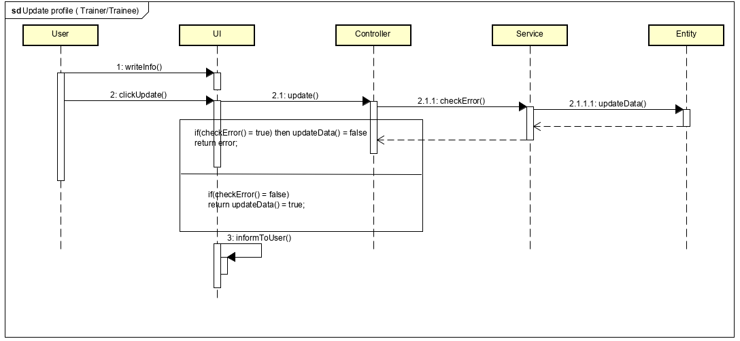
Sequence Diagram - Search list of trainee

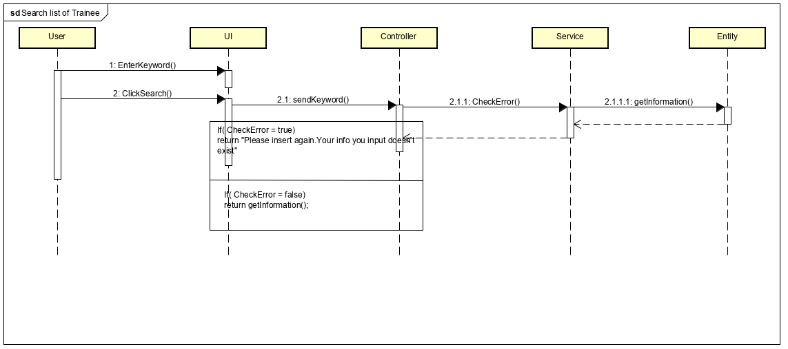

Sequence Diagram - Manage training staff information

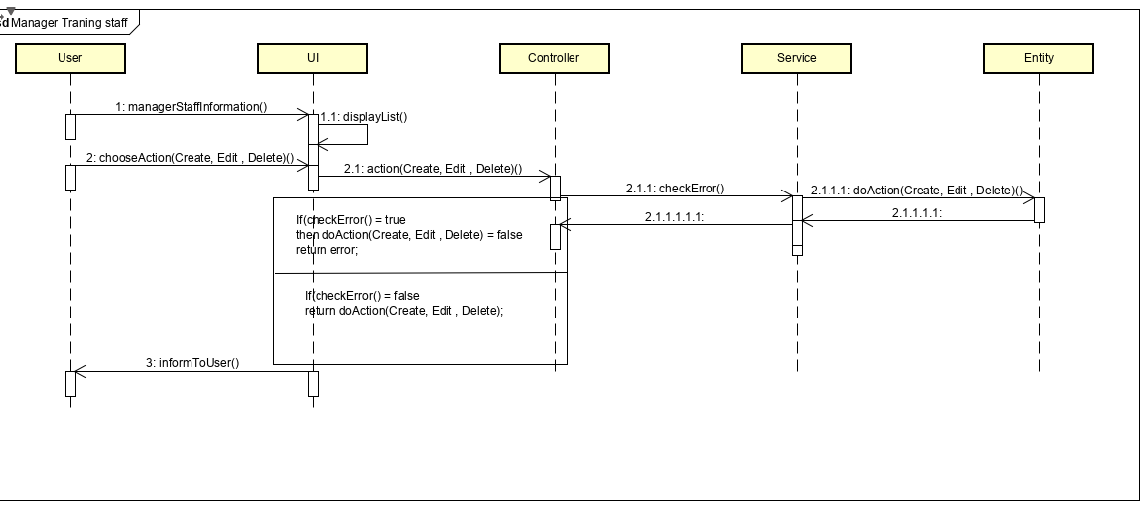

Sequence Diagram - Update profile of trainer/trainee

Đoàn Minh Tuấn
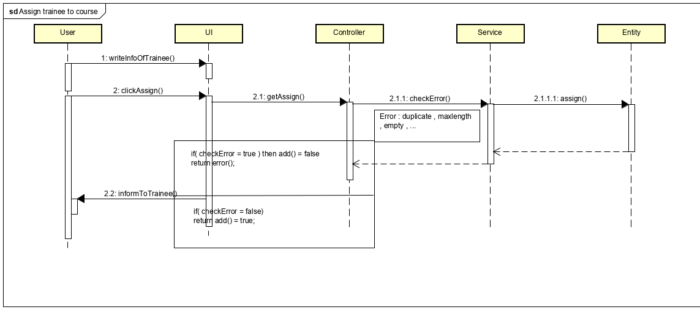
Sequence Diagram - Add topic into course

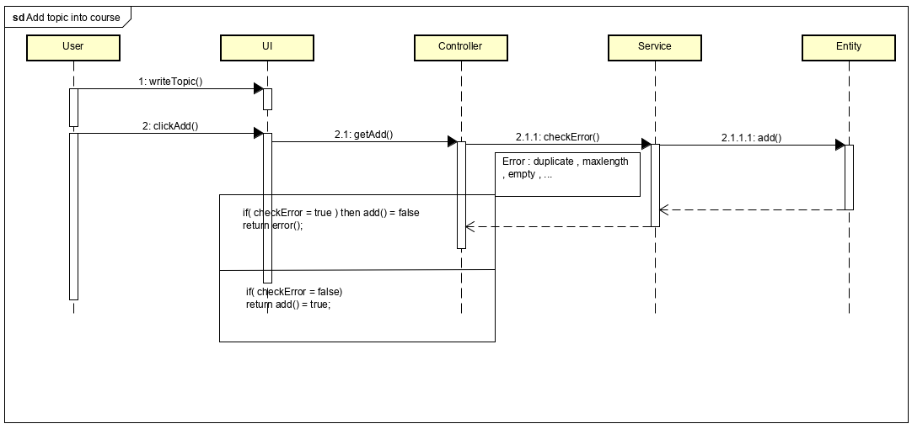

Sequence diagram - Manage course information

Sequence diagram - Assign trainee into a course

Nguyễn Trung Thắng
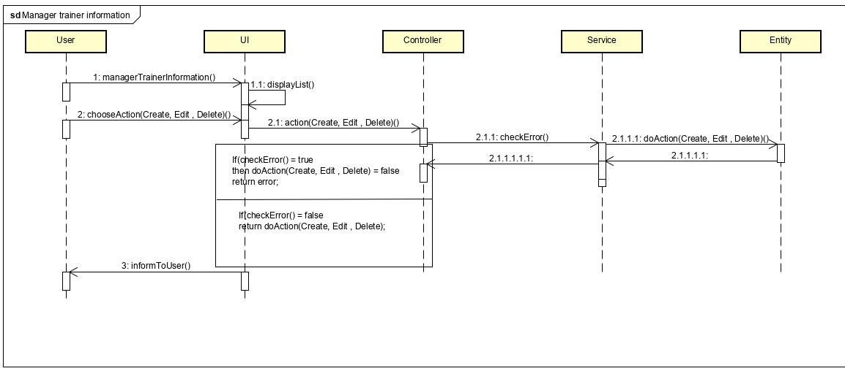
Sequence diagram - Manage trainee information

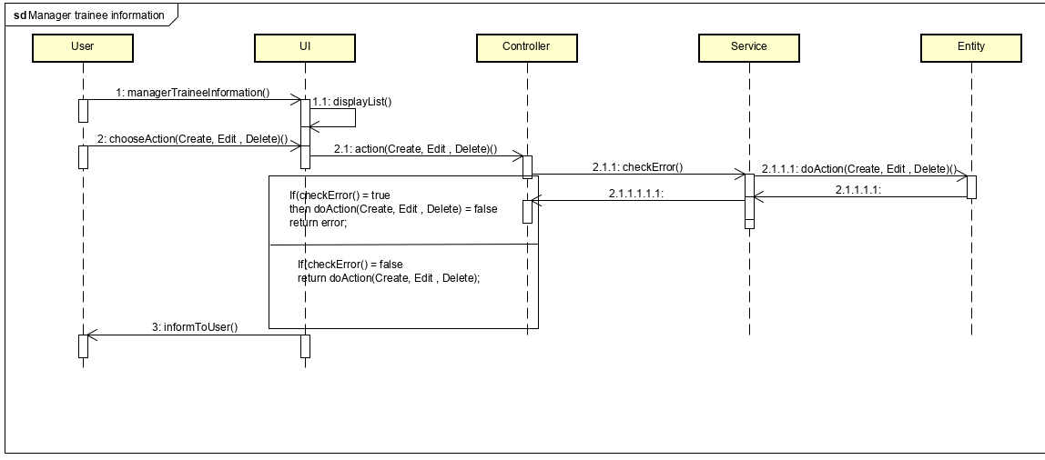

Sequence Diagram - Manage trainer information

Nguyễn Ngọc Quốc An
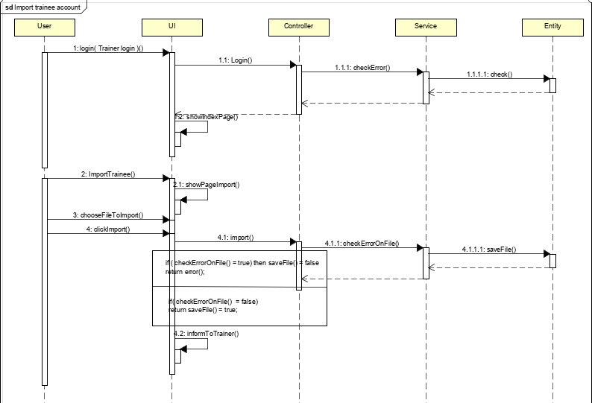
Sequence Diagram - Assign Trainer into topic

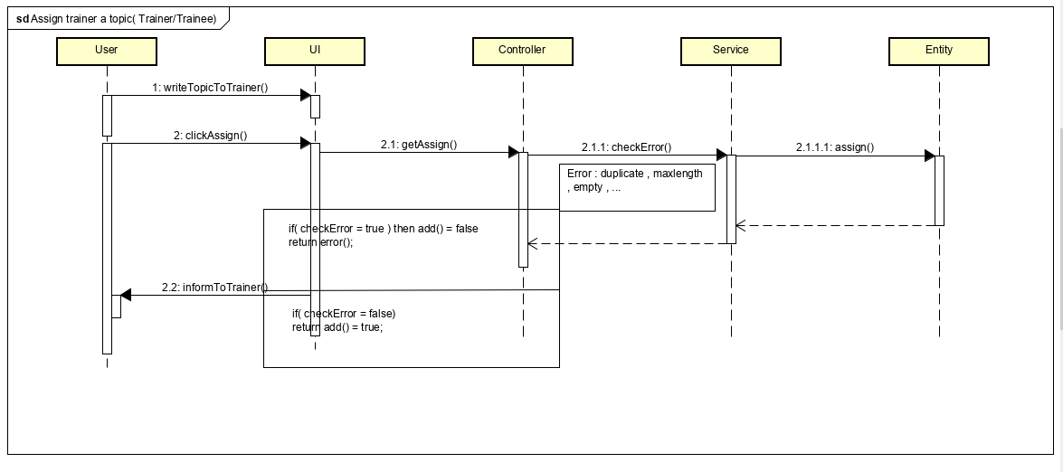

Sequence Diagram - Import trainee account

